M04
Speaker: M04 | Intelligibility: Very Low | Speech Vision Accuracy: 10.94

Model Name | Layers Frozen | Accuracy | Loss graph | Training accuracy graph
M04_E1.h5 | Encoder 1 | 7 | 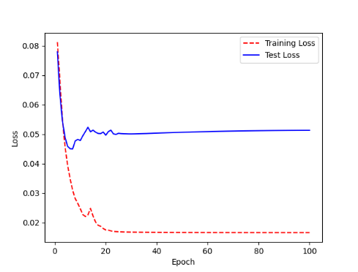 | 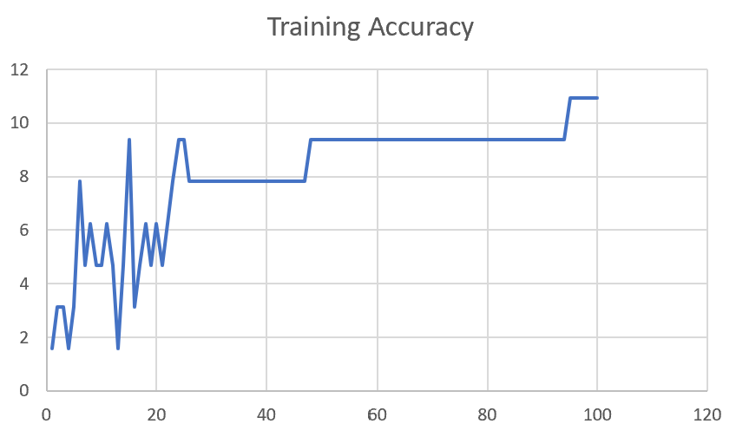

M04_E12.h5 | Encoder 12 | 5 | 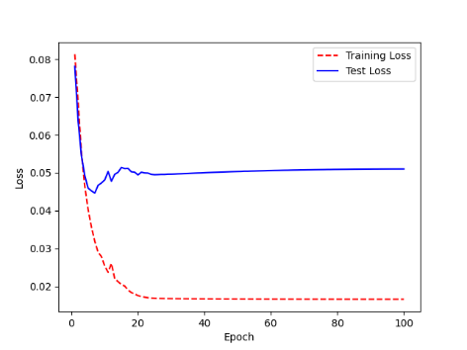 | 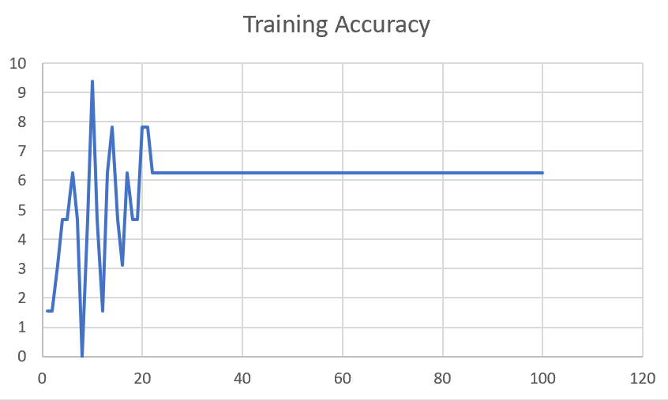

M04_E123 | Encoder 123 | 7 | 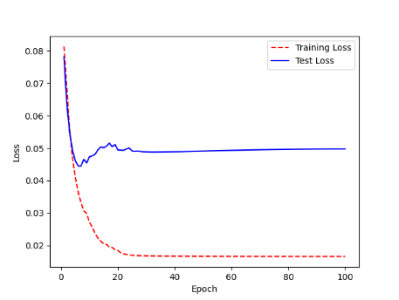 | 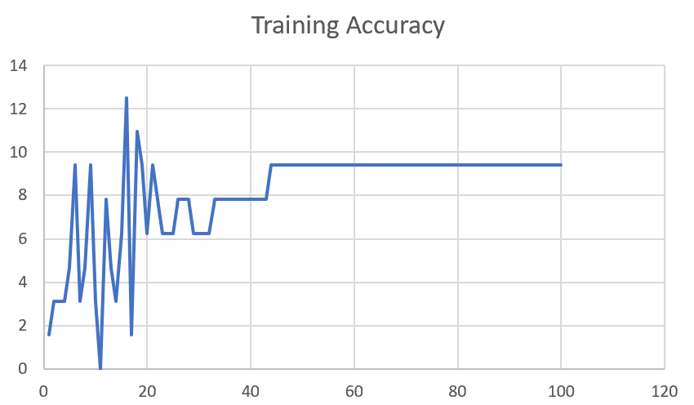

M04_E1234 | Encode 1234 | 6 |  | 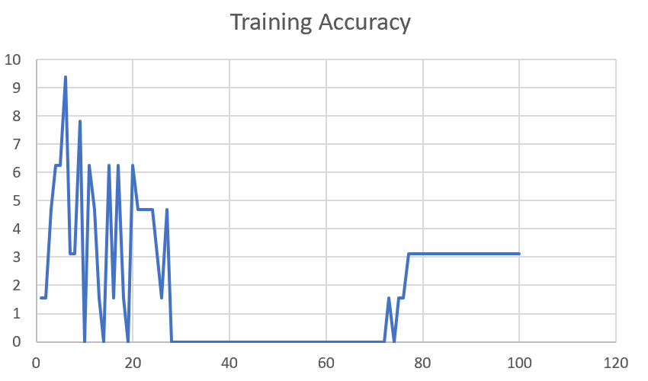

M04_E12345 | Encode 12345 | 6 | 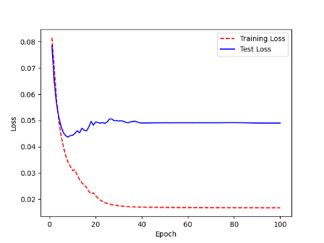 | 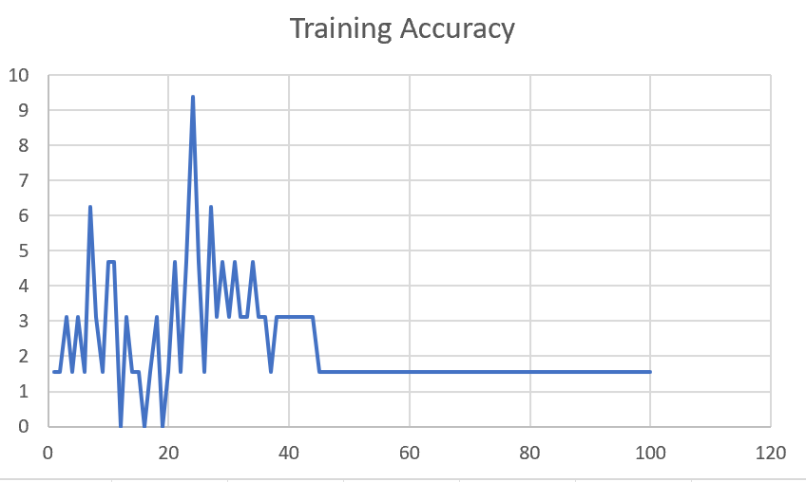

M04_TE | Token Embeddings | 7 | 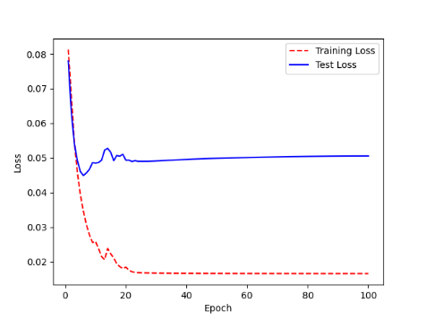 | 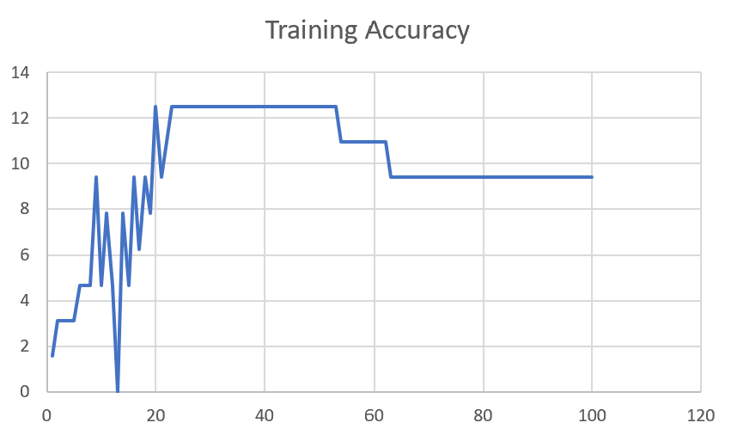

M04_T3+D123 | Token Embeddings + Decoder 1 | 6 | 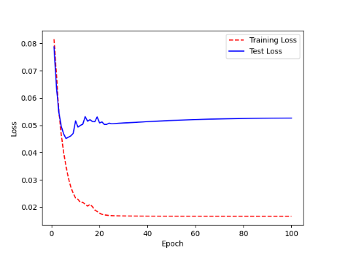 | 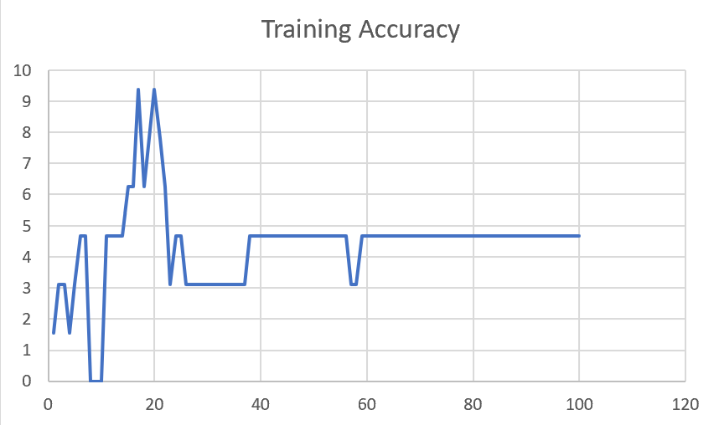

M04_T3+D12 | Token Embeddings + Decoder 12 | 6 | 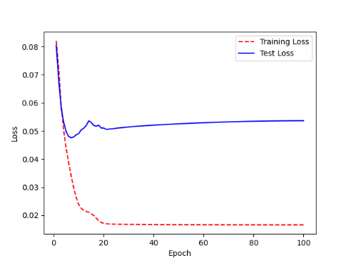 | 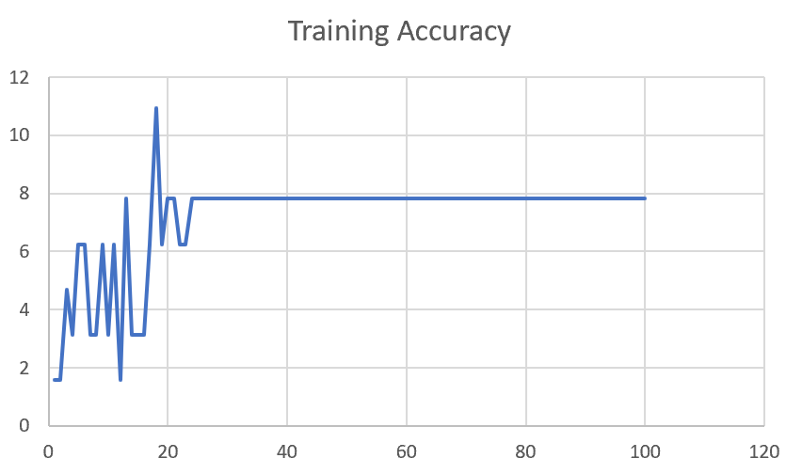

M04_T3+D1 | Token Embeddings + Decoder 123 | 5 | 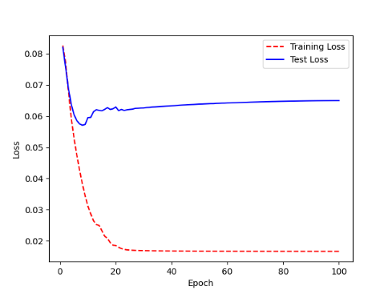 | 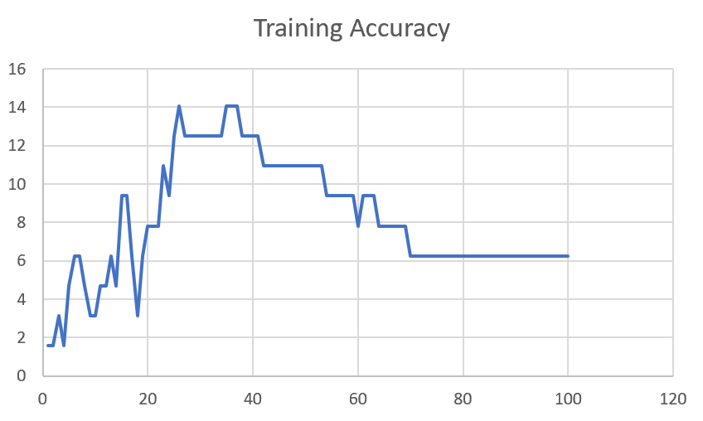

F02
Speaker: F02 | Intelligibility: Low | Speech Vision Accuracy: 67.02

Model Name | Layers Frozen | Accuracy | Loss graph | Training accuracy graph
F03_E1.h5 | Encoder 1 | 47 |  | 

F03_E12.h5 | Encoder 12 | 45 |  | 

F03_E123 | Encoder 123 | 47 |  | 

F03_E1234 | Encode 1234 | 43 |  | 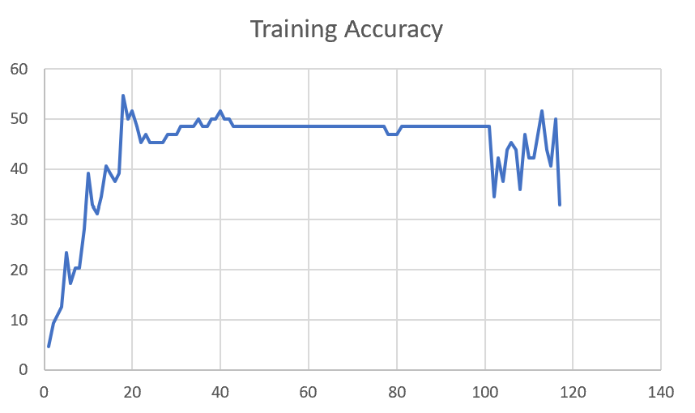

F03_E12345 | Encode 12345 | 41 | 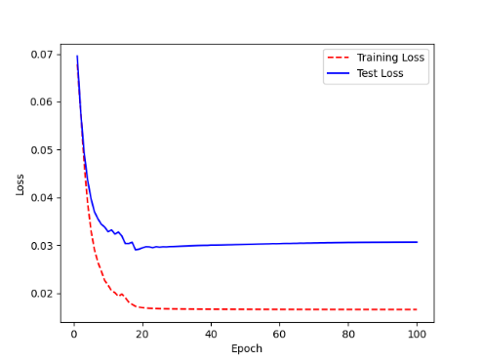 | 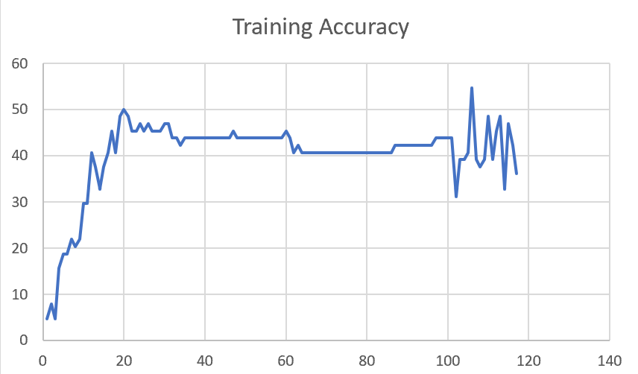

F03_t3 | Token Embeddings | 52 | 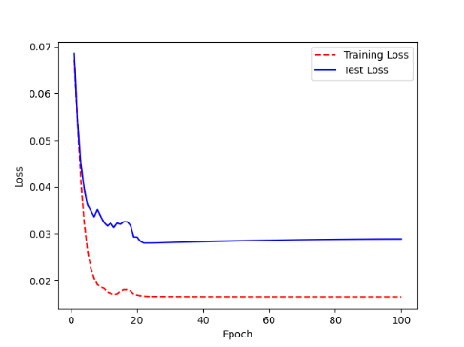 | 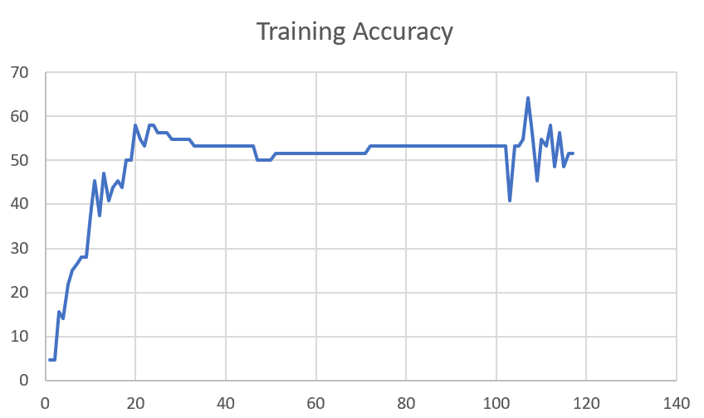

F03_T3+D123 | Token Embeddings + Decoder 123 | 45 | 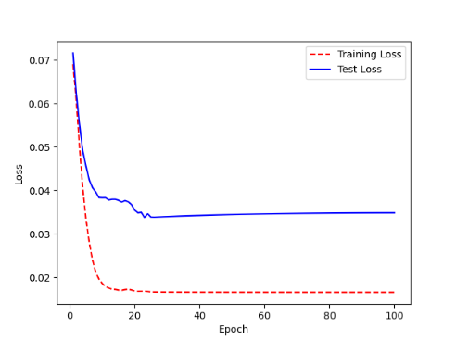 | 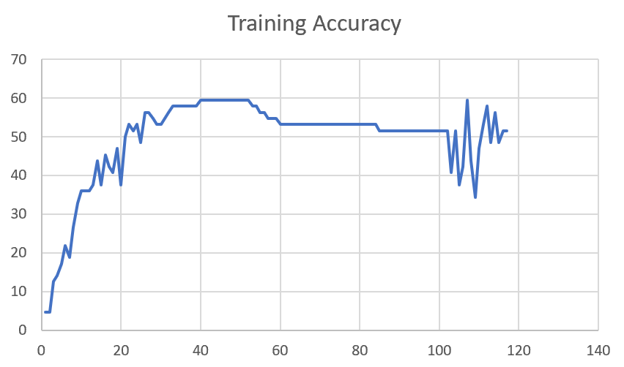

F03_T3+D12 | Token Embeddings + Decoder 12 | 50 | 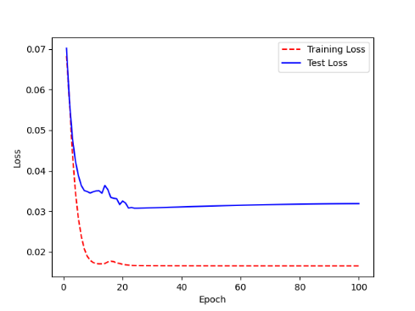 | 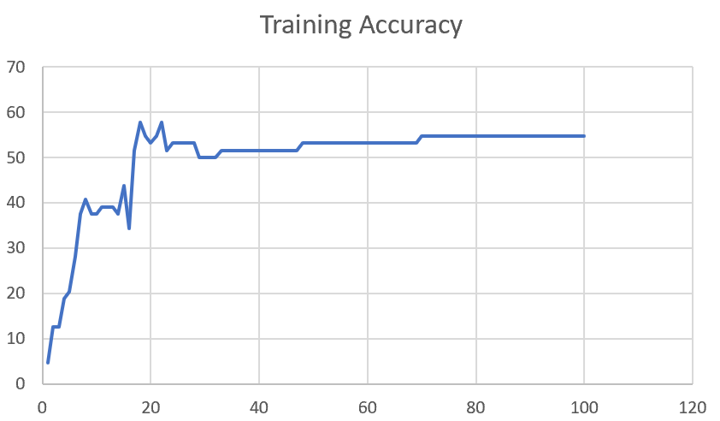

F03_T3+D1 | Token Embeddings + Decoder 1 | 50 | 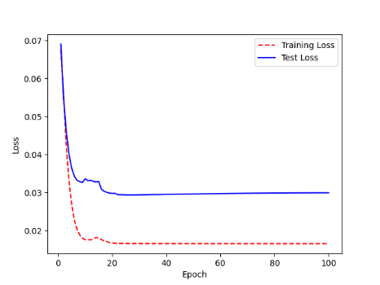 | 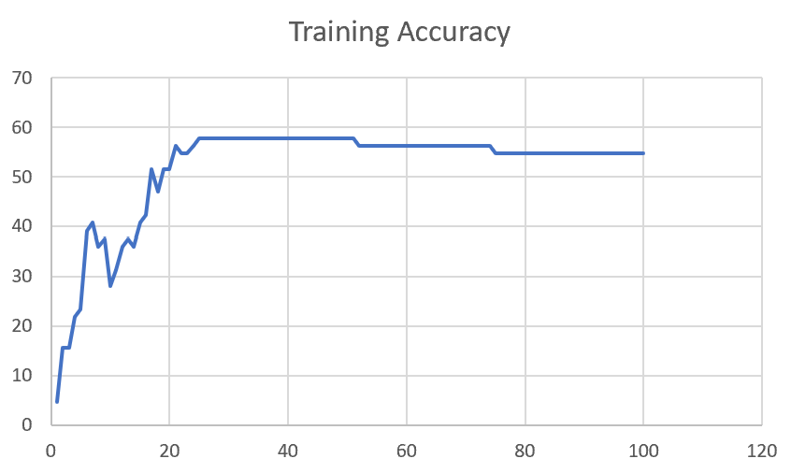

F03
Speaker: F03 | Intelligibility: Very Low | Speech Vision Accuracy: 32.47

Model Name | Layers Frozen | Accuracy | Loss graph | Training accuracy graph
F03_E1.h5 | Encoder 1 | 22 | 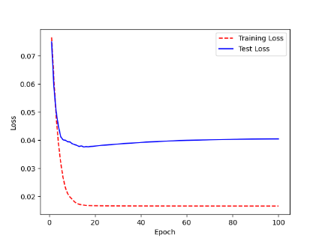 | 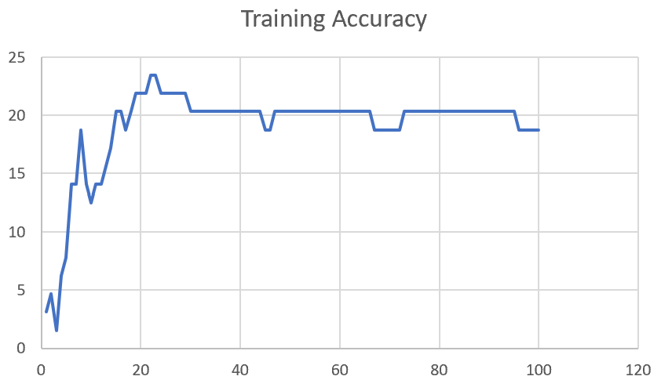

F03_E12.h5 | Encoder 12 | 25 | 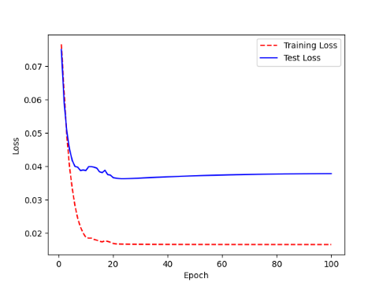 | 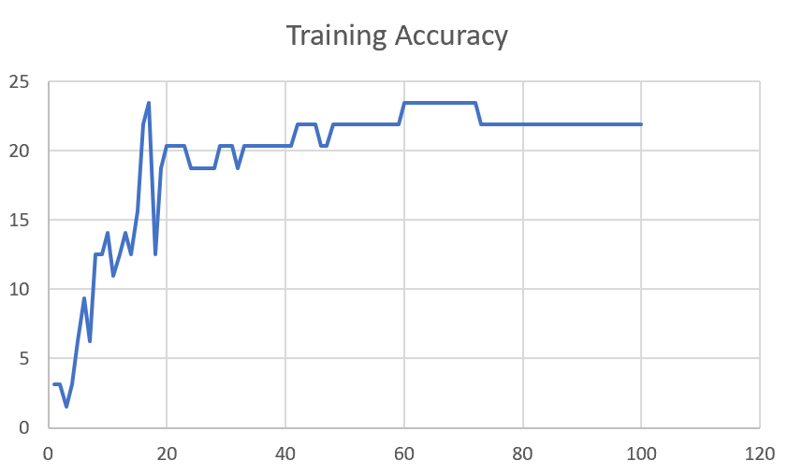

F03_E123 | Encoder 123 | 23 | 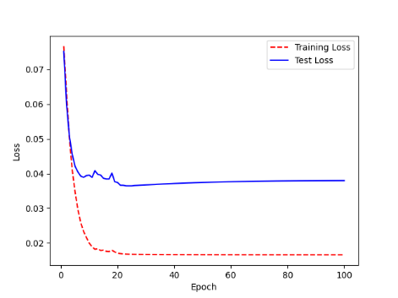 | 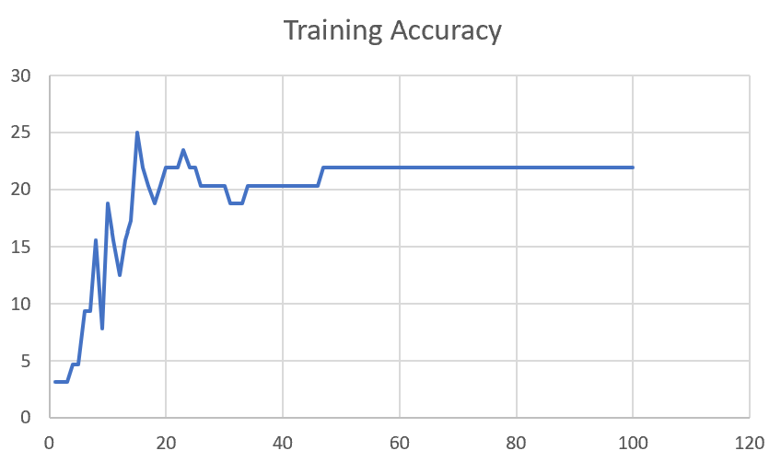

F03_E1234 | Encode 1234 | 20 | 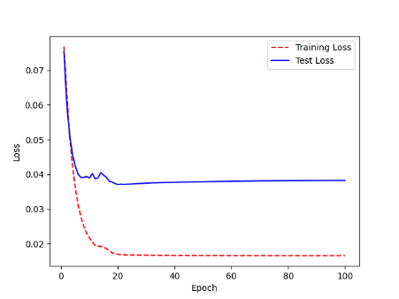 | 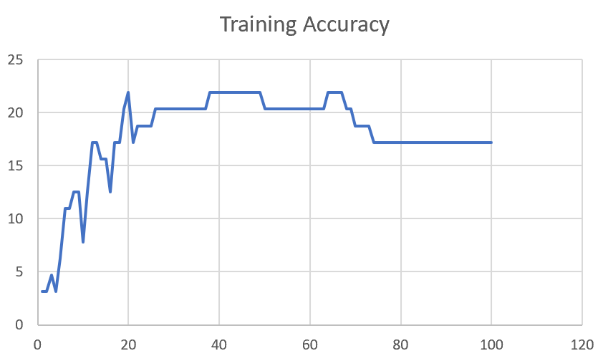

F03_E12345 | Encode 12345 | 19 |  | 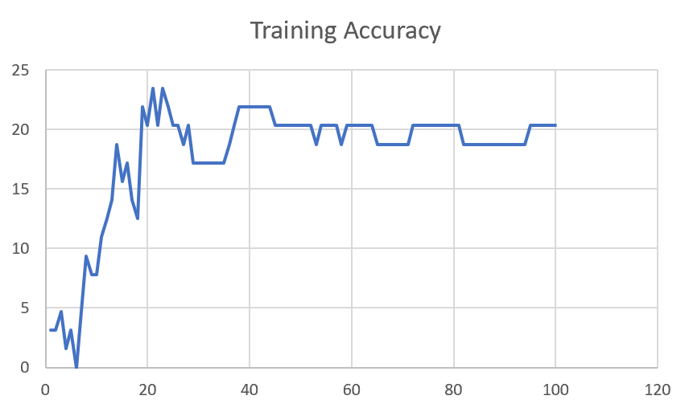

F03_TE | Token Embeddings | 28 |  | 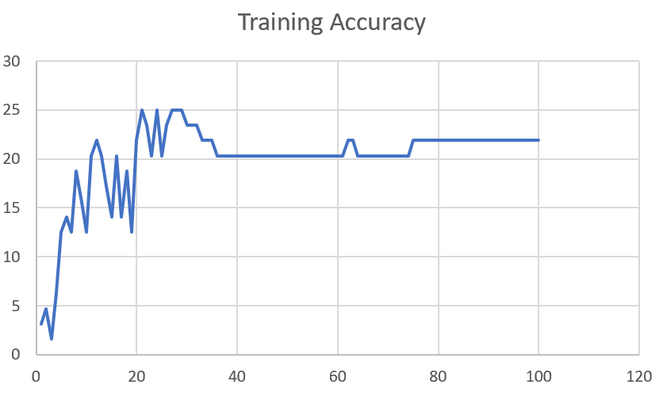

F03_T3+D123 | Token Embeddings + Decoder 1 | 29 |  | 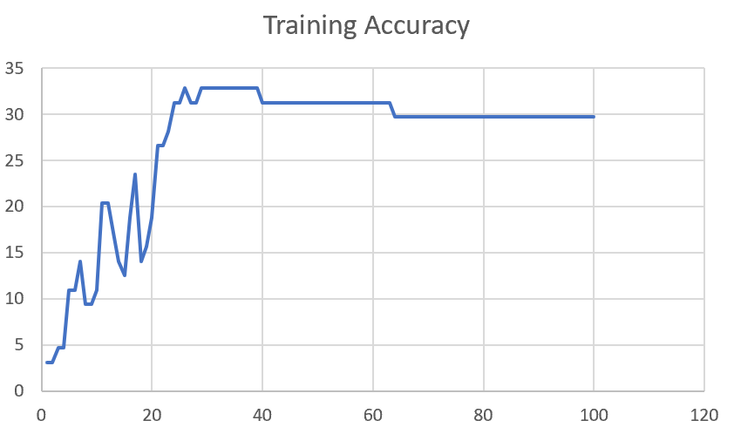

F03_T3+D12 | Token Embeddings + Decoder 12

F03_T3+D1 | Token Embeddings + Decoder 123

Sheet1
 |  |  | Training Accuracy
0 | 0.96875 | 1 | 3.125
1 | 0.96875 | 2 | 3.125
2 | 0.953125 | 3 | 4.6875
3 | 0.953125 | 4 | 4.6875
4 | 0.890625 | 5 | 10.9375
5 | 0.890625 | 6 | 10.9375
6 | 0.859375 | 7 | 14.0625
7 | 0.90625 | 8 | 9.375
8 | 0.90625 | 9 | 9.375
9 | 0.890625 | 10 | 10.9375
10 | 0.796875 | 11 | 20.3125
11 | 0.796875 | 12 | 20.3125
12 | 0.828125 | 13 | 17.1875
13 | 0.859375 | 14 | 14.0625
14 | 0.875 | 15 | 12.5
15 | 0.8125 | 16 | 18.75
16 | 0.765625 | 17 | 23.4375
17 | 0.859375 | 18 | 14.0625
18 | 0.84375 | 19 | 15.625
19 | 0.8125 | 20 | 18.75
20 | 0.734375 | 21 | 26.5625
21 | 0.734375 | 22 | 26.5625
22 | 0.71875 | 23 | 28.125
23 | 0.6875 | 24 | 31.25
24 | 0.6875 | 25 | 31.25
25 | 0.671875 | 26 | 32.8125
26 | 0.6875 | 27 | 31.25
27 | 0.6875 | 28 | 31.25
28 | 0.671875 | 29 | 32.8125
29 | 0.671875 | 30 | 32.8125
30 | 0.671875 | 31 | 32.8125
31 | 0.671875 | 32 | 32.8125
32 | 0.671875 | 33 | 32.8125
33 | 0.671875 | 34 | 32.8125
34 | 0.671875 | 35 | 32.8125
35 | 0.671875 | 36 | 32.8125
36 | 0.671875 | 37 | 32.8125
37 | 0.671875 | 38 | 32.8125
38 | 0.671875 | 39 | 32.8125
39 | 0.6875 | 40 | 31.25
40 | 0.6875 | 41 | 31.25
41 | 0.6875 | 42 | 31.25
42 | 0.6875 | 43 | 31.25
43 | 0.6875 | 44 | 31.25
44 | 0.6875 | 45 | 31.25
45 | 0.6875 | 46 | 31.25
46 | 0.6875 | 47 | 31.25
47 | 0.6875 | 48 | 31.25
48 | 0.6875 | 49 | 31.25
49 | 0.6875 | 50 | 31.25
50 | 0.6875 | 51 | 31.25
51 | 0.6875 | 52 | 31.25
52 | 0.6875 | 53 | 31.25
53 | 0.6875 | 54 | 31.25
54 | 0.6875 | 55 | 31.25
55 | 0.6875 | 56 | 31.25
56 | 0.6875 | 57 | 31.25
57 | 0.6875 | 58 | 31.25
58 | 0.6875 | 59 | 31.25
59 | 0.6875 | 60 | 31.25
60 | 0.6875 | 61 | 31.25
61 | 0.6875 | 62 | 31.25
62 | 0.6875 | 63 | 31.25
63 | 0.703125 | 64 | 29.6875
64 | 0.703125 | 65 | 29.6875
65 | 0.703125 | 66 | 29.6875
66 | 0.703125 | 67 | 29.6875
67 | 0.703125 | 68 | 29.6875
68 | 0.703125 | 69 | 29.6875
69 | 0.703125 | 70 | 29.6875
70 | 0.703125 | 71 | 29.6875
71 | 0.703125 | 72 | 29.6875
72 | 0.703125 | 73 | 29.6875
73 | 0.703125 | 74 | 29.6875
74 | 0.703125 | 75 | 29.6875
75 | 0.703125 | 76 | 29.6875
76 | 0.703125 | 77 | 29.6875
77 | 0.703125 | 78 | 29.6875
78 | 0.703125 | 79 | 29.6875
79 | 0.703125 | 80 | 29.6875
80 | 0.703125 | 81 | 29.6875
81 | 0.703125 | 82 | 29.6875
82 | 0.703125 | 83 | 29.6875
83 | 0.703125 | 84 | 29.6875
84 | 0.703125 | 85 | 29.6875
85 | 0.703125 | 86 | 29.6875
86 | 0.703125 | 87 | 29.6875
87 | 0.703125 | 88 | 29.6875
88 | 0.703125 | 89 | 29.6875
89 | 0.703125 | 90 | 29.6875
90 | 0.703125 | 91 | 29.6875
91 | 0.703125 | 92 | 29.6875
92 | 0.703125 | 93 | 29.6875
93 | 0.703125 | 94 | 29.6875
94 | 0.703125 | 95 | 29.6875
95 | 0.703125 | 96 | 29.6875
96 | 0.703125 | 97 | 29.6875
97 | 0.703125 | 98 | 29.6875
98 | 0.703125 | 99 | 29.6875
99 | 0.703125 | 100 | 29.6875
<__main__.DisplayOutputs object at 0x7fd8f0053640> | 0.703125 | #VALUE! | 29.6875
<__main__.DisplayOutputs object at 0x7fd8f0053640> | 0.78125 | #VALUE! | 21.875
<__main__.DisplayOutputs object at 0x7fd8f0053640> | 0.6875 | #VALUE! | 31.25
<__main__.DisplayOutputs object at 0x7fd8f0053640> | 0.6875 | #VALUE! | 31.25
<__main__.DisplayOutputs object at 0x7fd8f0053640> | 0.703125 | #VALUE! | 29.6875
<__main__.DisplayOutputs object at 0x7fd8f0053640> | 0.640625 | #VALUE! | 35.9375
<__main__.DisplayOutputs object at 0x7fd8f0053640> | 0.671875 | #VALUE! | 32.8125
<__main__.DisplayOutputs object at 0x7fd8f0053640> | 0.6875 | #VALUE! | 31.25
<__main__.DisplayOutputs object at 0x7fd8f0053640> | 0.671875 | #VALUE! | 32.8125
<__main__.DisplayOutputs object at 0x7fd8f0053640> | 0.78125 | #VALUE! | 21.875
<__main__.DisplayOutputs object at 0x7fd8f0053640> | 0.78125 | #VALUE! | 21.875
<__main__.DisplayOutputs object at 0x7fd8f0053640> | 0.578125 | #VALUE! | 42.1875
<__main__.DisplayOutputs object at 0x7fd8f0053640> | 0.65625 | #VALUE! | 34.375
<__main__.DisplayOutputs object at 0x7fd8f0053640> | 0.796875 | #VALUE! | 20.3125
<__main__.DisplayOutputs object at 0x7fd8f0053640> | 0.734375 | #VALUE! | 26.5625
<__main__.DisplayOutputs object at 0x7fd8f0053640> | 0.78125 | #VALUE! | 21.875
<__main__.DisplayOutputs object at 0x7fd8f0053640> | 0.68852459016 | #VALUE! | 31.147540984
<__main__.DisplayOutputs object at 0x7eff3012ee50> | 0.55737704918

